Portfolio Summary
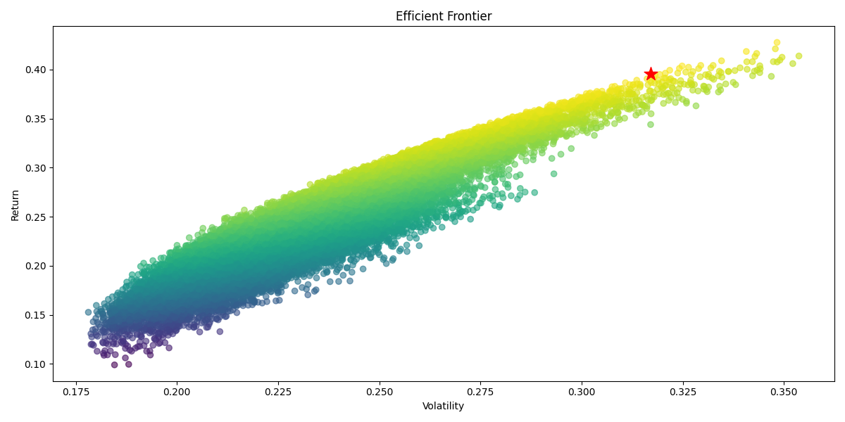
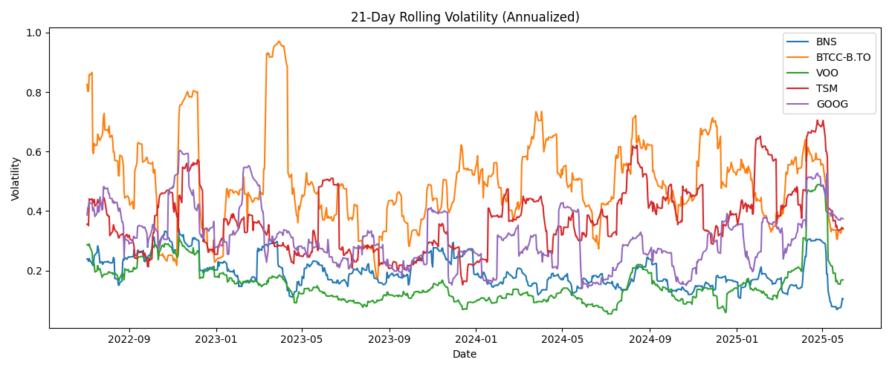
Ticker | Weight | Expected Return % | Volatility | Sharpe Ratio | Investment ($) | Expected Return ($) | GBM Expected Return % | Bootstrapped CAGR %
BTCC-B.TO | 44.19% | 56.85 | 0.5242 | 0.99 | 11046.57 | 6279.67 | -1.26 | -1.45
TSM | 36.77% | 33.1 | 0.3881 | 0.73 | 9191.67 | 3042.14 | 37.21 | 64.59
GOOG | 8.63% | 14.95 | 0.1756 | 0.57 | 2157.99 | 322.66 | 9.67 | 15.06
VOO | 5.28% | 18.93 | 0.3231 | 0.43 | 1320.05 | 249.86 | 20.45 | 34.28
BNS | 5.13% | -0.45 | 0.2052 | -0.26 | 1283.73 | -5.77 | 10.76 | 17.45

Price Paths
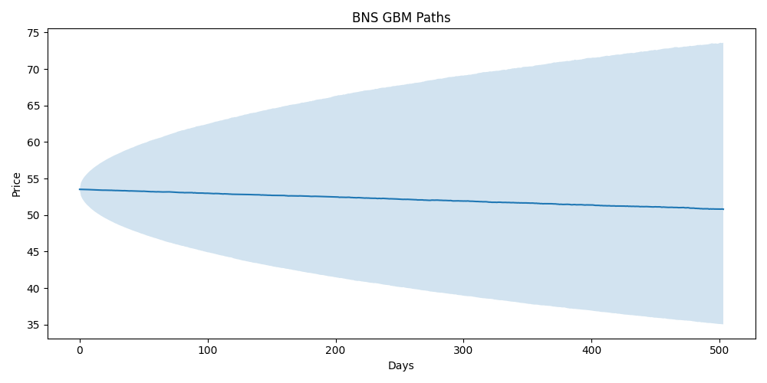

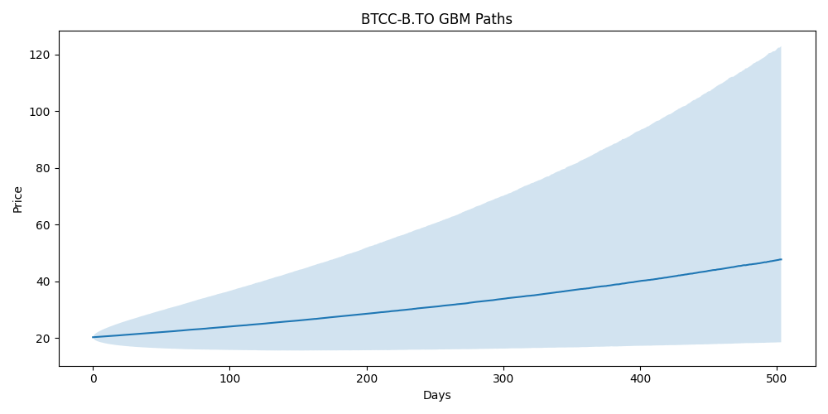

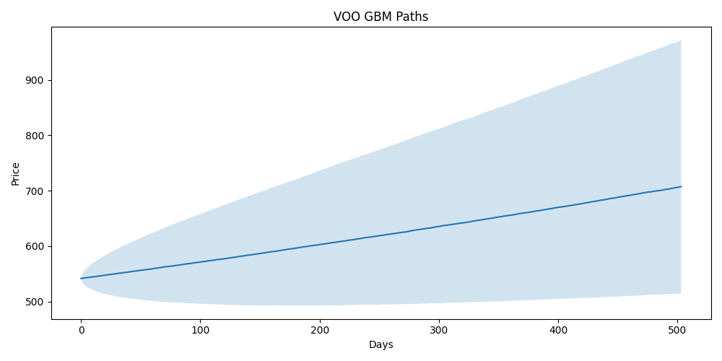

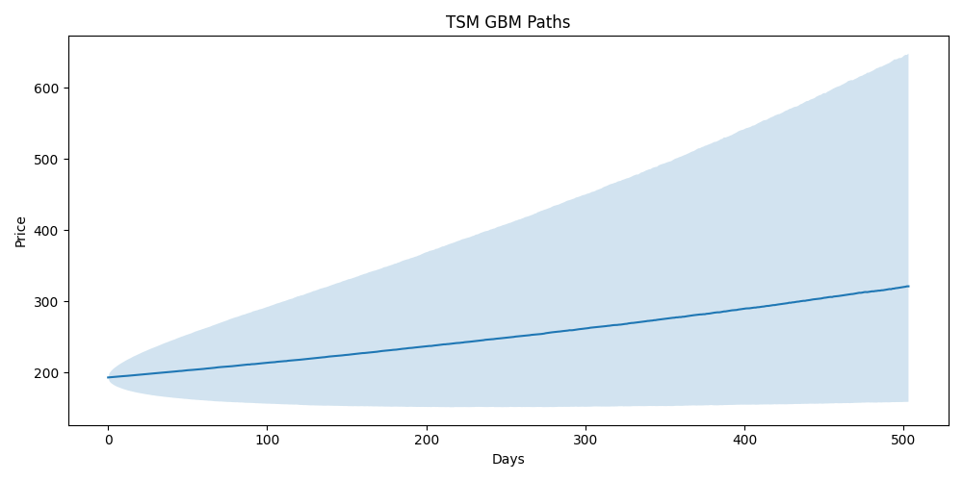

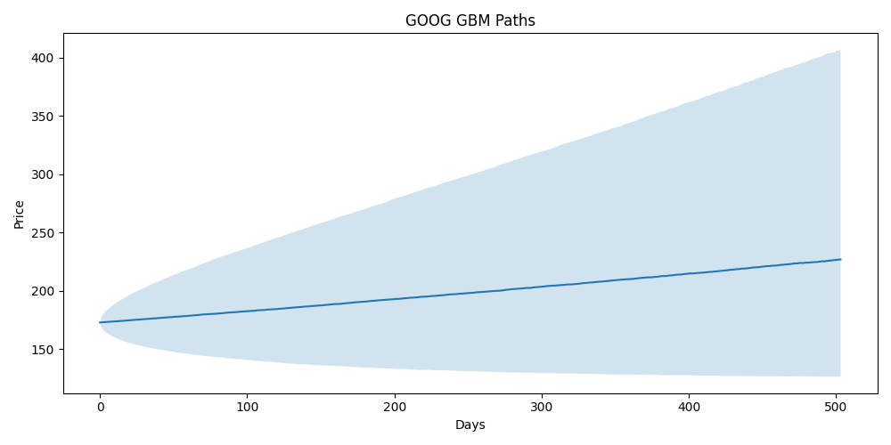

Boot Paths
